Sheet1

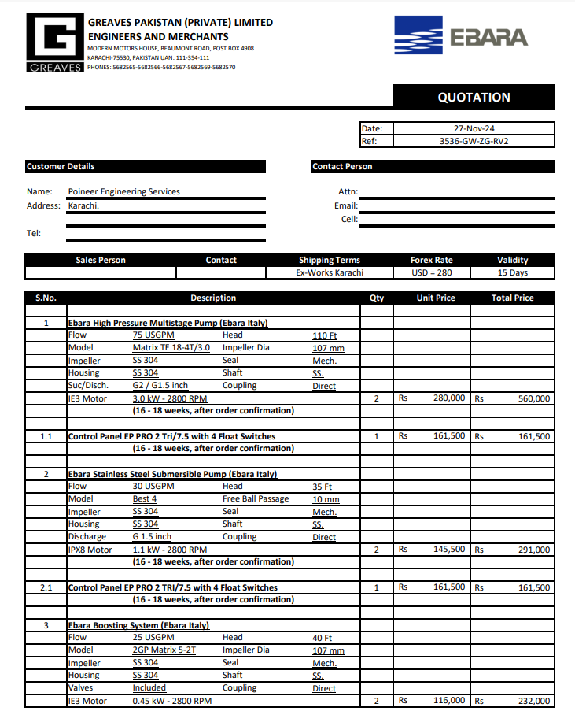

 |  |  |  |  | 9-Dec-24
M/S GREAVES PAKISTAN (PRIVATE) LIMITED

Attn: Mr. Zia Ghani (GPPL Pumps Div)
PO # 03
Purchased order against your quoation ref # 3536-GW-ZG-RV2 date 27-Nov-24

Supply of plumbing pumps - Meezan Bank Gujranwala

S No. | D e s c r i p t i o n | Qty | Unit | Rate | Amount
1 | Ebara High Pressure Multistage Pump (Ebara Italy) Flow 75 USGPM Head 110 Ft | 2 | Nos | 280,000 | 560,000 | 2,577 | 3,015
2 | Control Panel EP PRO 2 Tri/7.5 with 4 Float Switches | 1 | Nos | 161,500 | 161,500
3 | Ebara Stainless Steel Submersible Pump (Ebara Italy) Flow 30 USGPM Head 35 Ft | 2 | Nos | 145,500 | 291,000
4 | Control Panel EP PRO 2 Tri/7.5 with 4 Float Switches | 1 | Nos | 161,500 | 161,500
5 | Ebara Boosting System (Ebara Italy) Flow 25 USGPM Head 40 Ft | 2 | Nos | 116,000 | 232,000
6 | Control Panel EP PRO 2 Tri/7.5 with 4 Float Switches | 1 | Nos | 161,500 | 161,500
Total |  |  |  |  | 1,567,500 |  | -
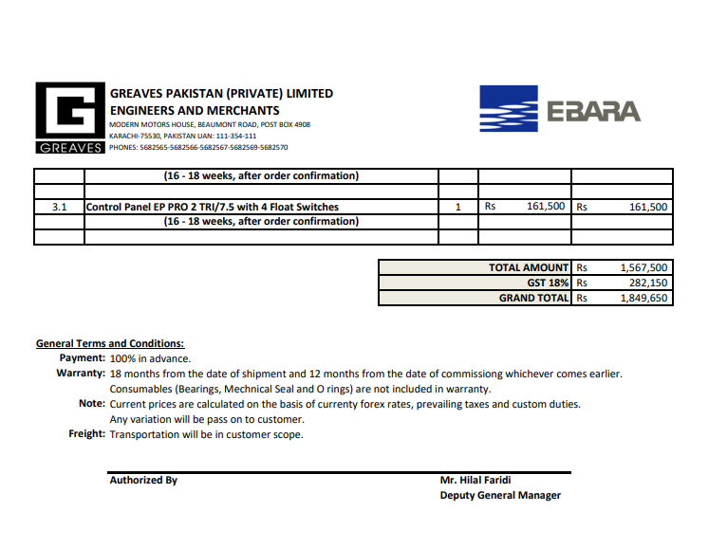
GST 18% |  |  |  |  | 282,150 |  | -
Total |  |  |  |  | 1,849,650 |  | -

Note: This purchased order is subject to the approval from the consultant

for Pioneer Engineering Services

 |  |  |  |  |  |  | -
 |  |  |  |  |  |  | -
 |  |  |  |  |  |  | -
 |  |  |  |  |  |  | -
M. BILAL HABIB |  |  |  |  |  |  | -
 |  |  |  |  |  |  | -
 |  |  |  |  |  |  | -
 |  |  |  |  |  |  | -
 |  |  |  |  |  |  | -
 |  |  |  |  |  |  | -
 |  |  |  |  |  |  | -
 |  |  |  |  |  |  | -
 |  |  |  |  |  |  | -
 |  |  |  |  |  |  | -

